VISA
 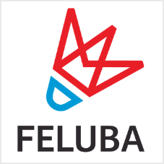 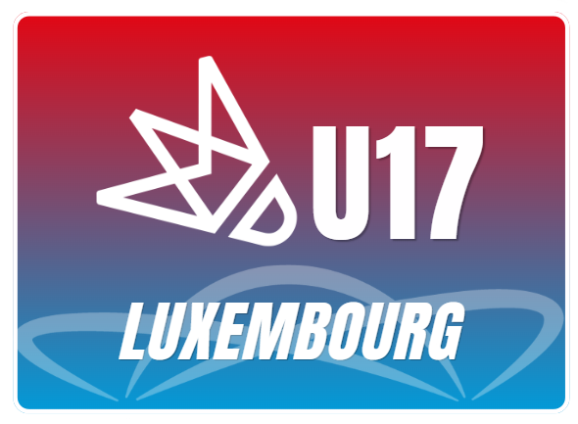 YONEX Luxembourg U17 2026 Venue d'Coque 2 rue leon Hengen L-1745 Luxembourg 23 October - 25 October 2026

Details of the association
Name of the association
Contact person
Email adress
Phone Number
Postal Adress

Fill all the informations necessary to send you back an invitation letter
 | Mr/Mrs | First Name | Surname | Passeport No | Expiry Date | Date of Birth | Nationality
1
2
3
4
5
6
7
8
9
10
11
12
13
14
15
16
17
18
19
20

This Visa form must be send at lux.u17@badminton.lu before the 22nd of september 2026

